Home
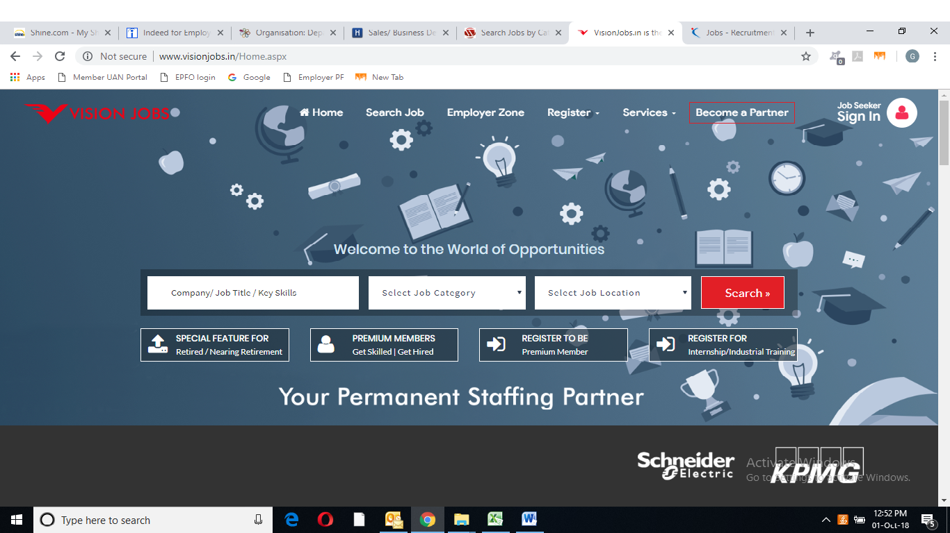

Training
HR Training

 We are Providing HR Practical Training for more than 4 years at all level. Cogent is always Invites HR Professional / Fresh MBA HR /Pursuing MBA/Graduates /PG for HR Practical Training Classes with Real Time Exposure.

Module 1 - Statutory & Legal Compliance

PF ACT-1952 | ESI ACT-1948 & PF ACT-1952
§ PF-Act | § ESI-Act
§ Eligibility | § Eligibility
§ Benefits | § Contributions from Both Employee & Employer
§ Contributions From Both Employee & Employer | § Filing (Monthly & Half Yearly)
§ Prepare PF Contribution ECR in prescribed format | § Calculations
§ Filing( Monthly & Yearly) | § Filling the Forms
§ Filling The Forms | § Benefits
§ Maintenance of P. F. Records | § Online ESIC Challan generate
§ How to generate UAN
§ How to update employee’s KYC details
§ Annexure II
§ Online Claim transfer processing
§ PF withdrawal Claim/Pension Claim

GRATUITY ACT-1972 & BONUS ACT-1965 | CONTRACT LABOUR (REGULATION AND ABOLITION) ACT1970
§ Coverage & Eligibility | § Definition
§ Calculations | § Different Clauses.
§ Tax Exemptions Limit | § Procedure to be followed.
 | § Register to be maintained.

FACTORY ACT 1948 | THE INDUSTRIAL DISPUTE ACT 1947
§ Definition | § Definition
§ Eligibility | § Different Clauses.
§ Filling return (yearly and Half yearly) | § Procedure to be followed.
§ Register to be maintained | § Register to be maintained

THE MATERNITY BENEFIT ACT 1961 | THE MINIMUM WAGES ACT 1948
§ Definition | § Definition
§ Different Clauses. | § Different Clauses.
§ Procedure to be followed. | § Procedure to be followed.
§ Register to be maintained | § Register to be maintained

THE PAYMENT OF WAGES 1936
§ Definition
§ Different Clauses.
§ Procedure to be followed.
§ Register to be maintained

Module 2 - Payroll Processing (Compensation and Benefits)

§ The Pay Structure
§ Leave Management (CL, EL, SL, and ML)
§ Basic, HRA, DA, Conveyance, Medical allowance, Lunch Allowance etc.
§ ESI, PF Calculations
§ Calculation of Gross, Net Salary & CTC
§ Preparation of Break- up Salary, Designing CTC and Salary Break up and Discussion on Compensation and Benefits.
§ Salary processing
§ TAX PLANNING FOR SALARIED EMPLOYEE
§ PT- Slab Process
§ TDS (Salaried People)
§ Slab Process of TDS
§ Calculation of TDS for Men, Women, Senior Citizens
§ Education Cass
§ Routine Tax Planning
§ Tax Exemptions under Different Sections

Module 3 - Recruitment & Selections
§ End-to-End Recruitment process
§ Hands on Experience on Job Portals i.e., Shine with Sourcing Methodologies.
§ Boolean Search, Industry Mapping
§ Screening, Short-Listing of Resume.
§ Interview Skills & How to Conduct Interview.
§ Joining Formalities and Relieving Procedure
§ Exit Interviews

Add on Benefits
§ Discussion on Interview skills
§ Resume writing in a professional approach
§ Recruitment counseling
§ Placement support
§ Excellent study material

500 students have availed HR Training course’s benefits and got job in reputed companies.

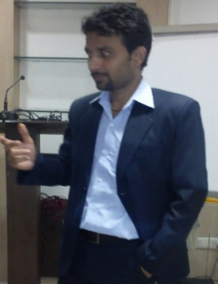




Inquire Now

